BR - Police Killings
Brazil - Police use of deadly force

People killed by Military Police on duty, 2011-2021, Brazil, count
 | People killed by military police in duty per state, 2011-2021, count
 | 2011 | 2012 | 2013 | 2014 | 2015 | 2016 | 2017 | 2018 | 2019 | 2020 | 2021
Acre | 1 | 4 | 1 | 1 | 8 | 13 | 32 | 18 | 14 | 18 | 43
Alagoas | 2 | 26 | 21 | 66 | 75 | 98 | 118 | 100 | 73 | 62 | 56
Amazonas | 0 | 0 | 7 | 29 | 30 | 21 | 25 | 36 | 94 | 96 | 95
Amapá | 3 | 2 | 1 | 3 | 19 | 58 | 53 | 44 | 120 | 107 | 150
Bahia | 202 | 28 | 233 | 252 | 287 | 420 | 683 | 744 | 736 | 987 | 989
Ceará | 0 | 9 | 39 | 35 | 60 | 83 | 125 | 190 | 120 | 119 | 102
Distrito Federal | 0 | 1 | 1 | 3 | 5 | 7 | 4 | 2 | 5 | 6 | 6
Espírito Santo | 4 | 13 | 18 | 17 | 9 | 23 | 16 | 26 | 30 | 32 | 40
Goiás | 6 | 62 | 55 | 79 | 111 | 179 | 237 | 416 | 515 | 614 | 564
Maranhão | 1 | 11 | 22 | 49 | 85 | 122 | 104 | 73 | 62 | 97 | 80
Minas Gerais |  | 56 | 46 | 98 | 65 | 90 | 121 | 121 | 95 | 111 | 108
Mato Grosso do Sul | 2 | 15 | 24 | 79 | 26 | 24 | 38 | 43 | 44 | 14 | 30
Mato Grosso | 10 | 7 | 7 | 6 | 4 | 7 | 17 | 63 | 65 | 111 | 86
Pará | 75 | 61 | 99 | 133 | 155 | 243 | 357 | 618 | 484 | 453 | 514
Paraíba | 7 | 12 | 14 | 20 | 9 | 14 | 17 | 17 | 12 | 36 | 31
Pernambuco | 24 | 31 | 36 | 27 | 37 | 64 | 122 | 115 | 74 | 116 | 92
Piauí | 7 | 2 | 7 | 11 | 11 | 19 | 18 | 20 | 20 | 26 | 16
Paraná | 147 | 165 | 166 | 178 | 215 | 213 | 220 | 284 | 266 | 360 | 393
Rio de Janeiro* | 438 | 347 | 838 | 489 | 540 | 775 | 944 | 1285 | 1520 | 1042 | 1136
Rio Grande do Norte | 21 | 21 | 32 | 67 | 73 | 61 | 124 | 171 | 147 | 138 | 148
Rondônia | 2 | 4 | 10 | 11 | 8 | 14 | 15 | 8 | 13 | 6 | 6
Roraima | 0 | 0 | 1 | 1 | 4 | 17 | 8 | 23 | 9 | 13 | 8
Rio Grande do Sul | 364 | 722 | 910 | 567 | 576 | 365 | 406 | 207 | 190 | 163 | 131
Santa Catarina | 52 | 52 | 40 | 75 | 51 | 51 | 67 | 92 | 70 | 82 | 64
Sergipe | 3 |  |  | 36 | 36 | 79 | 75 | 121 | 139 | 164 | 176
São Paulo | 437 | 546 | 334 | 695 | 580 | 577 | 643 | 642 | 716 | 659 | 423
Tocantins | 3 | 6 | 2 | 11 | 9 | 11 | 37 | 35 | 19 | 22 | 38
BRASIL | 1811 | 2203 | 2964 | 3038 | 3088 | 3648 | 4627 | 5514 | 5652 | 5655 | 5525

 | People killed by military police in duty per state, 2011-2021, rate (raking by average in the period)
 | 2011 | 2012 | 2013 | 2014 | 2015 | 2016 | 2017 | 2018 | 2019 | 2020 | 2021
Amapá | 0.44 | 0.29 | 0.14 | 0.4 | 2.48 | 7.41 | 6.64 | 5.3 | 14.19 | 12.42 | 17.09
Rio de Janeiro* | 2.72 | 2.14 | 5.12 | 2.97 | 3.26 | 4.66 | 5.65 | 7.49 | 8.8 | 6 | 6.50
Sergipe* | 0.14 |  |  | 1.62 | 1.61 | 3.48 | 3.3 | 5.29 | 6.05 | 7.08 | 7.53
Rio Grande do Sul | 3.39 | 6.7 | 8.15 | 5.06 | 5.12 | 3.23 | 3.59 | 1.83 | 1.67 | 1.43 | 1.14
Illustrating the temporal and spatial variation in police use of deadly force, 2011-2021, rate
Goiás | 0.1 | 1.01 | 0.85 | 1.21 | 1.68 | 2.67 | 3.5 | 6.01 | 7.34 | 8.63 | 7.83
Pará | 0.98 | 0.78 | 1.24 | 1.65 | 1.9 | 2.94 | 4.27 | 7.26 | 5.63 | 5.21 | 5.86
Bahia | 1.43 | 0.2 | 1.55 | 1.67 | 1.89 | 2.75 | 4.45 | 5.02 | 4.95 | 6.61 | 6.60
Rio Grande do Norte | 0.66 | 0.65 | 0.95 | 1.97 | 2.12 | 1.76 | 3.54 | 4.92 | 4.19 | 3.9 | 4.16
Paraná | 1.4 | 1.56 | 1.51 | 1.61 | 1.93 | 1.89 | 1.94 | 2.5 | 2.33 | 3.13 | 3.39
Alagoas | 0.06 | 0.82 | 0.64 | 1.99 | 2.24 | 2.92 | 3.5 | 3.01 | 2.19 | 2.21 | 1.68
Acre | 0.13 | 0.53 | 0.13 | 0.13 | 1 | 1.59 | 3.86 | 2.07 | 1.59 | 2.01 | 4.74
Roraima | 0 | 0 | 0.2 | 0.2 | 0.79 | 3.31 | 1.53 | 3.99 | 1.49 | 2.06 | 1.23
São Paulo | 1.05 | 1.3 | 0.76 | 1.58 | 1.31 | 1.29 | 1.43 | 1.41 | 1.56 | 1.42 | 0.91
Mato Grosso do Sul | 0.08 | 0.6 | 0.93 | 3.02 | 0.98 | 0.89 | 1.4 | 1.56 | 1.58 | 0.5 | 1.06
Tocantins | 0.21 | 0.42 | 0.14 | 0.73 | 0.59 | 0.72 | 2.39 | 2.25 | 1.21 | 1.38 | 2.30
Mato Grosso | 0.33 | 0.22 | 0.22 | 0.19 | 0.12 | 0.21 | 0.51 | 1.83 | 1.87 | 3.15 | 2.42
Amazonas | 0 | 0 | 0.18 | 0.75 | 0.76 | 0.52 | 0.62 | 0.88 | 2.27 | 2.28 | 2.22
Maranhão | 0.02 | 0.16 | 0.32 | 0.72 | 1.23 | 1.75 | 1.49 | 1.04 | 0.88 | 1.36 | 1.12
Santa Catarina | 0.82 | 0.81 | 0.6 | 1.11 | 0.75 | 0.74 | 0.96 | 1.3 | 0.98 | 1.13 | 0.87
Ceará | 0 | 0.1 | 0.44 | 0.4 | 0.67 | 0.93 | 1.39 | 2.09 | 1.31 | 1.3 | 1.10
Pernambuco | 0.27 | 0.35 | 0.39 | 0.29 | 0.4 | 0.68 | 1.29 | 1.21 | 0.77 | 1.21 | 0.95
Espírito Santo | 0.11 | 0.36 | 0.47 | 0.44 | 0.23 | 0.58 | 0.4 | 0.65 | 0.75 | 0.79 | 0.97
Rondônia | 0.13 | 0.25 | 0.58 | 0.63 | 0.45 | 0.78 | 0.83 | 0.46 | 0.73 | 0.33 | 0.33
Piauí | 0.22 | 0.06 | 0.22 | 0.34 | 0.34 | 0.59 | 0.56 | 0.61 | 0.61 | 0.79 | 0.49
Minas Gerais |  | 0.28 | 0.22 | 0.47 | 0.31 | 0.43 | 0.57 | 0.58 | 0.45 | 0.52 | 0.50
Paraíba | 0.18 | 0.31 | 0.36 | 0.51 | 0.23 | 0.35 | 0.42 | 0.43 | 0.3 | 0.89 | 0.76
Distrito Federal | 0 | 0.04 | 0.04 | 0.11 | 0.17 | 0.24 | 0.13 | 0.07 | 0.17 | 0.2 | 0.19
BRAZIL | 1.05 | 1.15 | 1.49 | 1.5 | 1.51 | 1.77 | 2.23 | 2.64 | 2.69 | 2.68 | 2.59

*The state of Rio de Janeiro publishes "Deaths due to intervention by state agents", but does not differentiate which are the result of Military or Civil Police action, on duty or off duty. The data presented here are a percentage of this total, based on the national proportion of deaths by on-duty military police.

People killed by military police in duty per state, 2011-2021, rate

Amapá | 0.44 | 0.29 | 0.14 | 0.4 | 2.48 | 7.41 | 6.64 | 5.3 | 14.19 | 12.42 | 17.09
Rio de Janeiro* | 2.72 | 2.14 | 5.12 | 2.97 | 3.26 | 4.66 | 5.65 | 7.49 | 8.8 | 6 | 6.50
Sergipe* | 0.14 |  |  | 1.62 | 1.61 | 3.48 | 3.3 | 5.29 | 6.05 | 7.08 | 7.53
Rio Grande do Sul | 3.39 | 6.7 | 8.15 | 5.06 | 5.12 | 3.23 | 3.59 | 1.83 | 1.67 | 1.43 | 1.14
Goiás | 0.1 | 1.01 | 0.85 | 1.21 | 1.68 | 2.67 | 3.5 | 6.01 | 7.34 | 8.63 | 7.83

Pernambuco | 0.27 | 0.35 | 0.39 | 0.29 | 0.4 | 0.68 | 1.29 | 1.21 | 0.77 | 1.21 | 0.95
Espírito Santo | 0.11 | 0.36 | 0.47 | 0.44 | 0.23 | 0.58 | 0.4 | 0.65 | 0.75 | 0.79 | 0.97
Rondônia | 0.13 | 0.25 | 0.58 | 0.63 | 0.45 | 0.78 | 0.83 | 0.46 | 0.73 | 0.33 | 0.33
Piauí | 0.22 | 0.06 | 0.22 | 0.34 | 0.34 | 0.59 | 0.56 | 0.61 | 0.61 | 0.79 | 0.49
Minas Gerais |  | 0.28 | 0.22 | 0.47 | 0.31 | 0.43 | 0.57 | 0.58 | 0.45 | 0.52 | 0.50
Paraíba | 0.18 | 0.31 | 0.36 | 0.51 | 0.23 | 0.35 | 0.42 | 0.43 | 0.3 | 0.89 | 0.76
Distrito Federal | 0 | 0.04 | 0.04 | 0.11 | 0.17 | 0.24 | 0.13 | 0.07 | 0.17 | 0.2 | 0.19

BR - Homicide
Brazil: Homicides in total numbers and rates per 100,000 inhabitants

 |  | 2011 | 2012 | 2013 | 2014 | 2015 | 2016 | 2017 | 2018 | 2019 | 2020 | 2021
 | Homicides count | 48084 | 53054 | 54163 | 57091 | 55574 | 57848 | 59128 | 51558 | 41730 | 44118 | 41069
 | Homicides rate | 24.99 | 27.35 | 26.94 | 28.16 | 27.18 | 28.07 | 28.47 | 24.73 | 19.86 | 20.83 | 19.25

Homicide rate, 2011-2021, Brazil

BR - Correlation Matrix
Brazil - Correlation Matrix

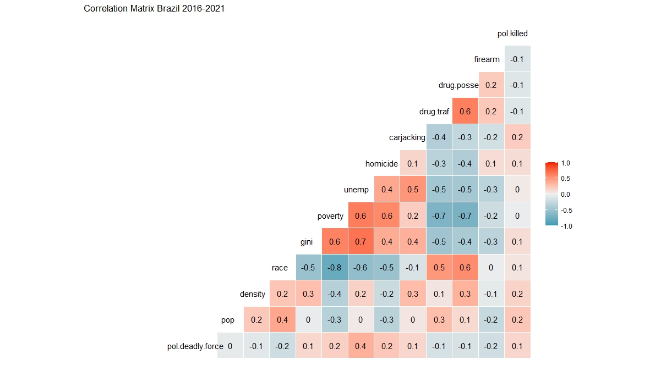

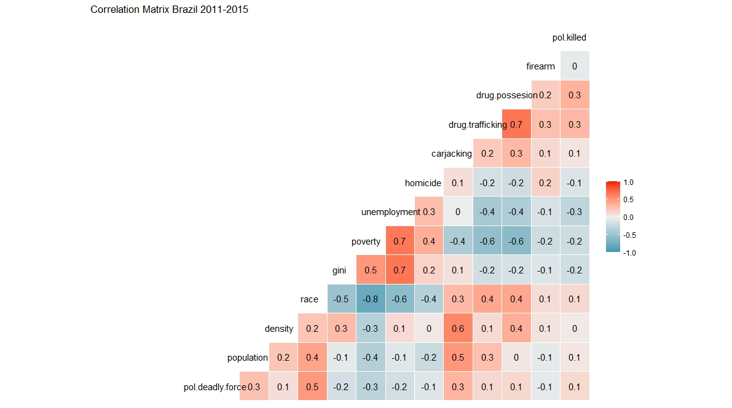
Source: | own | Correlation matrix made in R software using the ggcorr command from the ggplot2 package

PHL - Police Killings
Philippines - Police Use of Force

 | Sources: |  | 7/2006-6/2016 | own dataset, established via online search
 |  |  | 7/2016-6/2021 | ABS-CBN dataset + own data on non drug-war related suspects killed by the police

 | Additional information: |  |  | The data use the term "suspect," i.e. it excludes all victims that are not deemed by the PNP to have been suspects as for example bystanders, who only happened to be victimized because they have been at the wrong place at the wrong time. This does not in any way imply acceptance of the rating as a potential offender contained in this category.

Suspects killed by PNP 7/2006-6/2021
 | President | Year | suspects killed
 | Arroyo | 7/06-6/07 | 119
 |  | 7/07-6/08 | 175
 |  | 7/08-6/09 | 224
 |  | 7/09-6/10 | 175
 | Aquino | 7/10-6/11 | 154
 |  | 7/11-6/12 | 282
 |  | 7/12-6/13 | 252
 |  | 7/13-6/14 | 155
 |  | 7/14-6/15 | 241
 |  | 7/15-6/16 | 334
 | Duterte | 7/16-6/17 | 2030
 |  | 7/17-6/18 | 850
 |  | 7/18-6/19 | 1193
 |  | 7/19-6/20 | 537
 |  | 7/20-6/21 | 316

 | Suspects killed by police in Bulacan province July 2006 to June 2022

 | Source: |  | 7/2006-12/2011: | own dataset, established via online search
 |  |  | 2012-2022: | Bulacan provincial police reports. This is the only set of detailed police reports available for the Philippines, providing significant detail on police "success" in local operations including detailed data on numbers of suspects killed in such operations. In general data are similar or somewhat higher than the data that can be obtained through internet search. A few months of missing data have been substituted by the respective data from ABS-CBN and the own dataset. Site: http://bulacanpnp.com/

 | Additional Information: |  |  | Bulacan is the province with the by far highest level of police use of deadly force during Duterte's war on drugs. It is also the province, where the drop in police use of force after the initial wave was least pronounced.

Suspects killed by police in Bulacan province July 2006 to June 2022
 |  | killed
 | 7/2006-6/2007 | 8
 | 7/2007-6/2008 | 12
 | 7/2008-6/2009 | 19
 | 7/2009-6/2010 | 12
 | 7/2010-6/2011 | 8
 | 7/2011-6/2012 | 23
 | 7/2012-6/2013 | 11
 | 7/2013-6/2014 | 3
 | 7/2014-6/2015 | 27
 | 7/2015-6/2016 | 38
 | 7/2016-6/2017 | 336
 | 7/2017-6/2018 | 215
 | 7/2018-6/2019 | 225
 | 7/2019-6/2020 | 128
 | 7/2020-6/2021 | 29
 | 7/2021-6/2022 | 17

PHL - Homicide+Robbery
Philippines: Murder, intentional homicides and robbery, 2007-2021

 | Sources: |  | to 2015: | Philippine Statistics Authority. Philippine Statistical Yearbook, various editions. https://psa.gov.ph/products-and-services/publications/philippine-statistical-yearbook

 |  |  | 2016 to 2022 | Philippine National Police various years. PNP Annual Accomplishment Report. https://pnp.gov.ph/annual-reports/

 | 2000 | 2001 | 2002 | 2003 | 2004 | 2005 | 2006 | 2007 | 2008 | 2009 | 2010 | 2011 | 2012 | 2013 | 2014 | 2015 | 2016 | 2017 | 2018 | 2019 | 2020 | 2021 | 2022
murder | 5735 | 5852 | 6553 | 6436 | 6344 | 6434 | 6196 | 5739 | 5820 | 9348 | 8897 | 8674 | 8484 | 9153 | 9756 | 9642 | 11379 | 8862 | 6877 | 6319 | 5492 | 4851 | 4272
homicide | 4070 | 4140 | 4328 | 3983 | 3515 | 3240 | 3299 | 2786 | 2475 | 4947 | 3726 | 3404 | 3022 | 7007 | 3349 | 2900 | 2336 | 2592 | 2140 | 1793 | 1362 | 1131 | 1015
murder + homicide | 9805 | 9992 | 10881 | 10419 | 9859 | 9674 | 9495 | 8525 | 8295 | 14295 | 12623 | 12078 | 11506 | 16160 | 13105 | 12542 | 13715 | 11454 | 9017 | 8112 | 6854 | 5982 | 5287
robbery | 5884 | 6169 | 7708 | 7536 | 7558 | 7723 | 7313 | 5938 | 6584 | 45240 | 36121 | 31037 | 26988 | 49247 | 43726 | 31741 | 21217 | 16076 | 16087 | 9967 | 5191 | 4994 | 4969

Murder and intentional homicide in the Philippines 2007 to 2022
Robbery in the Philippines 2000-2022

PHL - Correlation Matrix
Philipinnes - Correlation Matrix

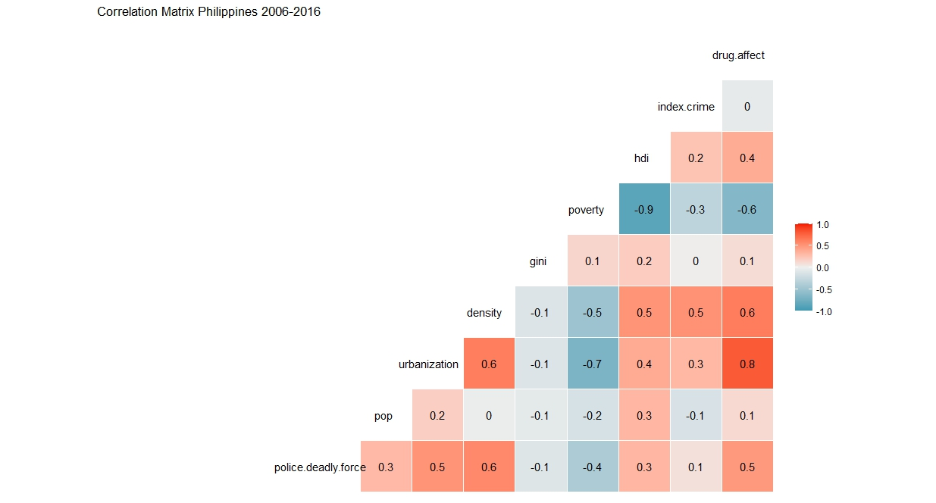

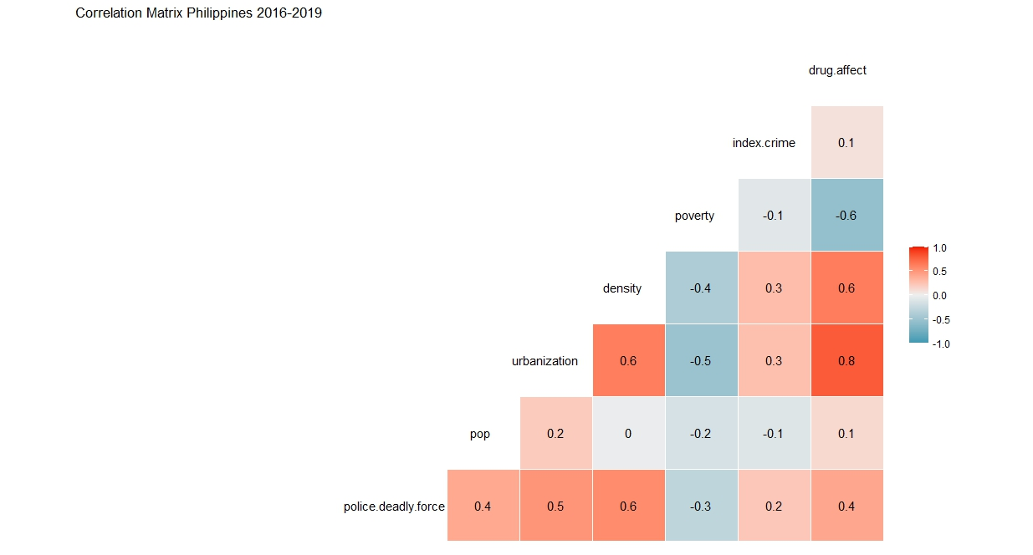

Source: | own | Correlation matrix made in R software using the ggcorr command from the ggplot2 package

