Citizen-security governance
Figure 1: Local citizen-security governance and crime control |  | back to overview

 | Disengaged, passive local security governance |  | Engaged, active security governance
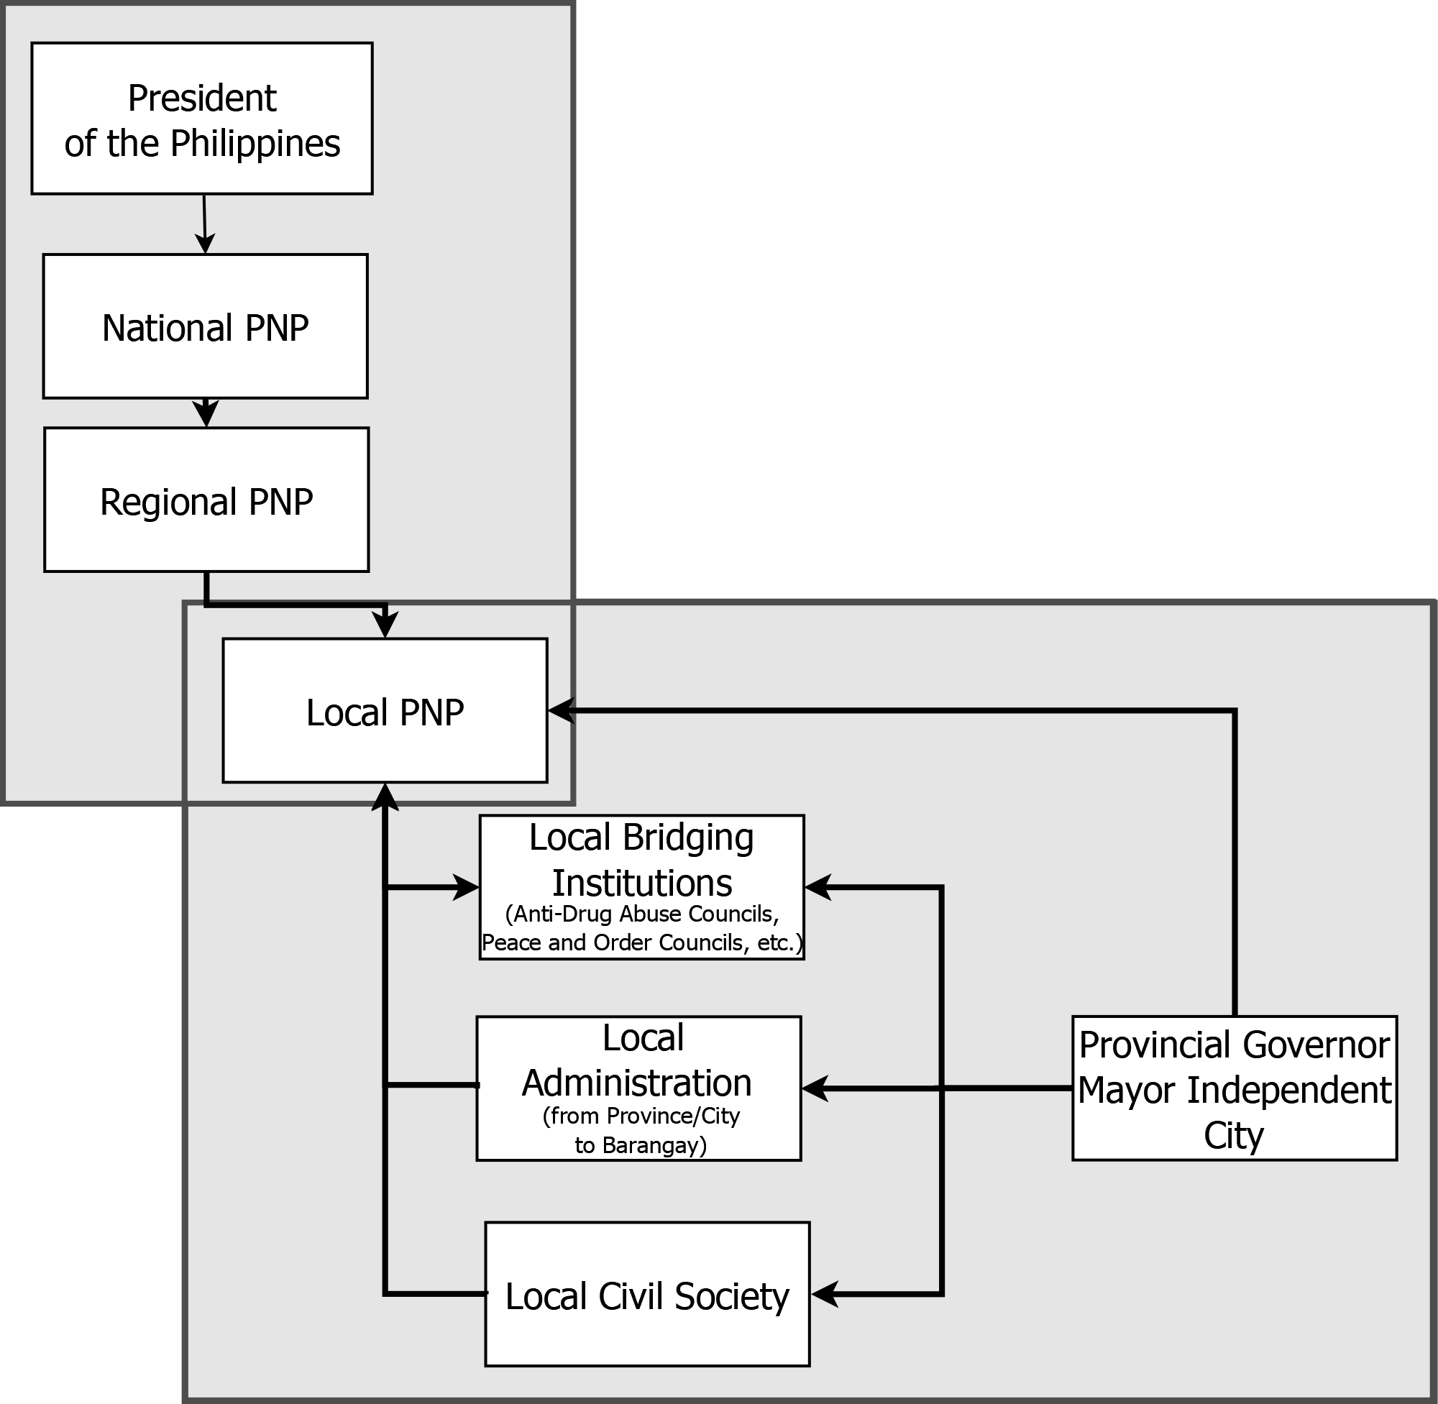

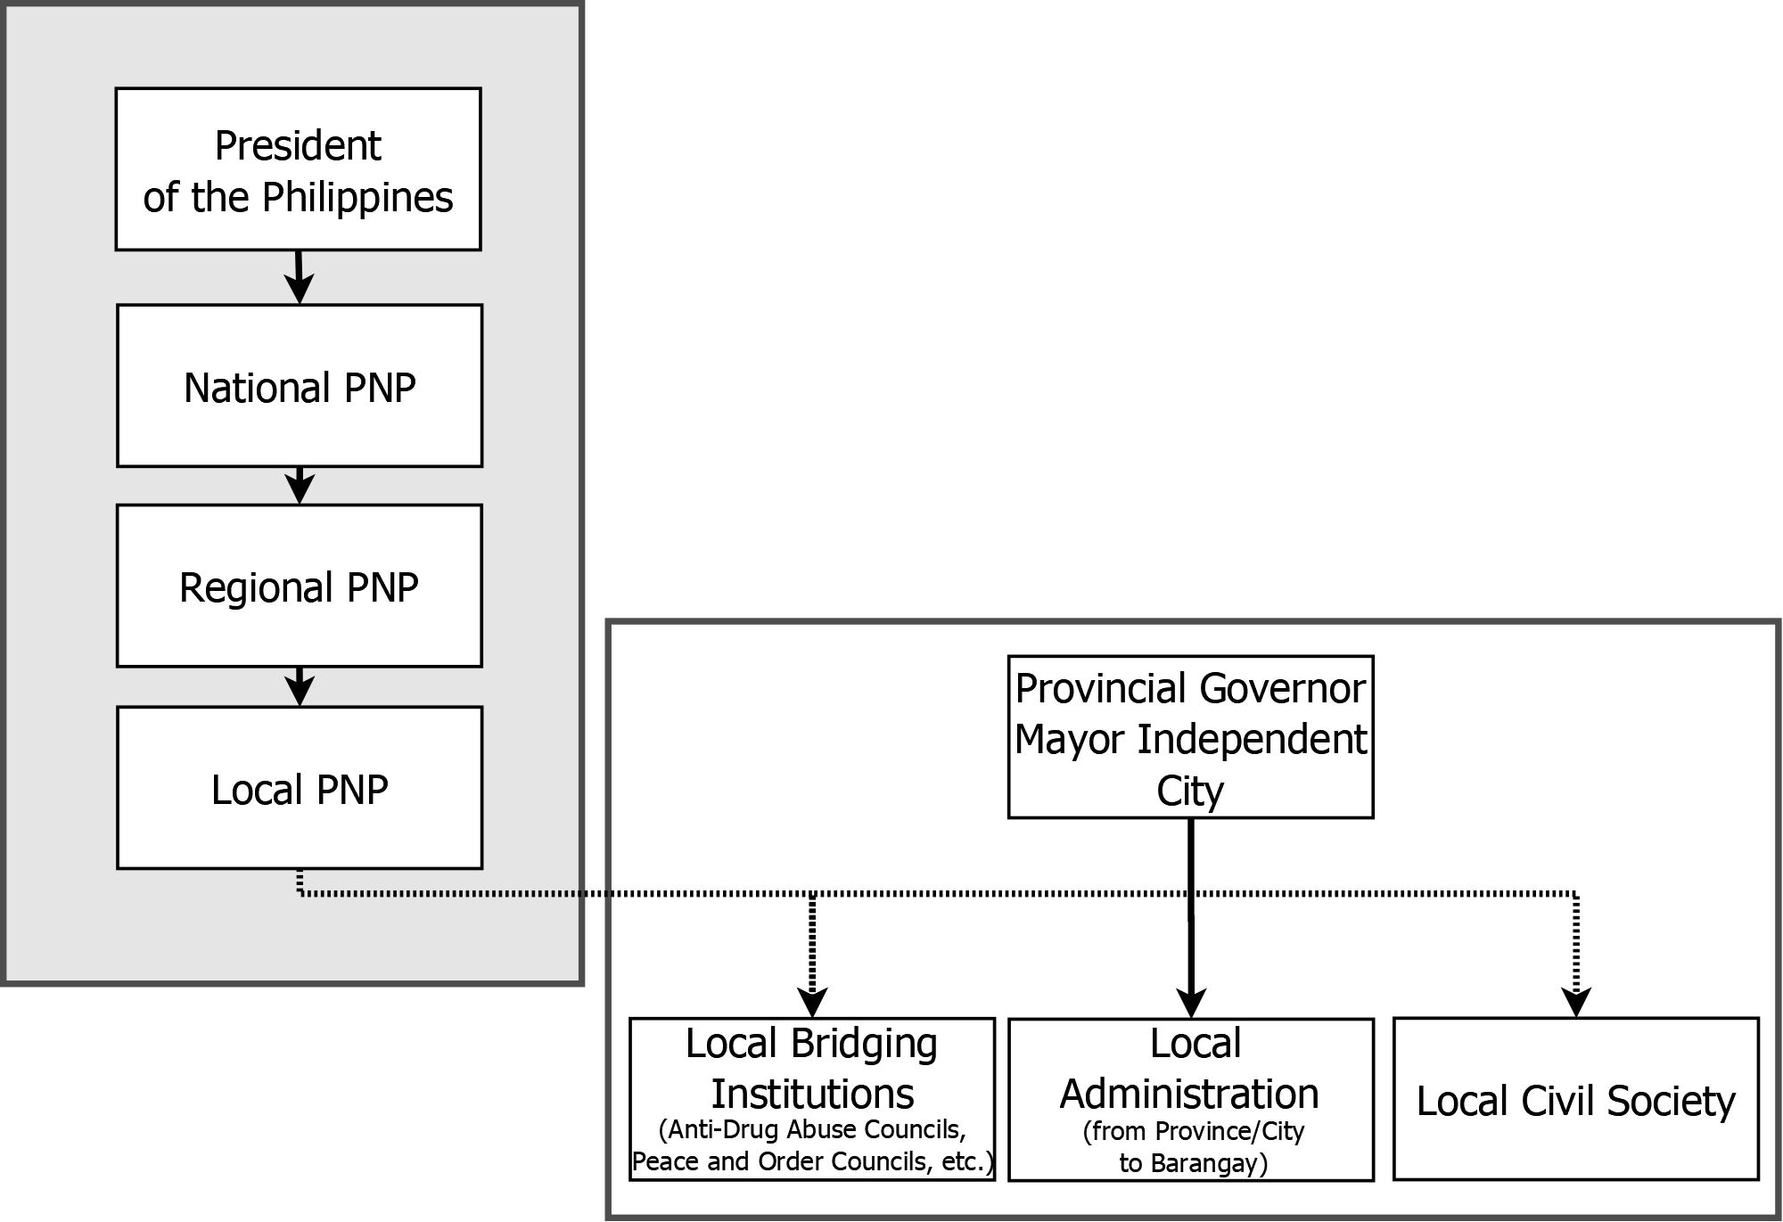

back to overview

Suspkill per millpop per year
Suspects killed by the police per million population per year 2006-2019 |  |  |  |  |  |  |  | back to overview
 |  |  |  |  |  |  |  |  | Information on Sources:

 |  |  |  |  |  |  |  |  | Years 2006-2015: | Peter Kreuzer. Own dataset on police armed encounters in the Philippines 2006-2005. Developed through online search, separate google-searches for provinces and independent cities by year, searches of national and local English- and Tagalog-language newspaper-indexes, as well as PNP-homepages and facebook accounts at the regional and provincial level. Core search-term was Name of Province/City + "police shootout" and "police shoot-out." All together more than 40 different onlne-media, from national ones with local offshots like Sunstar and Philstar to local ones like Visayan Daily Star, Punto Central Luzon, Aksyon Radyo Iloilo or Marinduque News.

 | Pampanga | Valenzuela | Davao City | Bulacan | Caloocan | Manila | Quezon City | Philippines
2006 | 1.1 | 0 | 0.8 | 3.8 | 3 | 3.7 | 10.4 | 1.1
2007 | 1.6 | 16.5 | 0 | 1.9 | 1.4 | 4.9 | 15.6 | 1.1
2008 | 0.5 | 9 | 0 | 4.7 | 2.8 | 12.2 | 25.5 | 2.4
2009 | 0 | 12.4 | 0 | 6.3 | 4.8 | 12.8 | 18.2 | 2.1
2010 | 3.5 | 0 | 0 | 1.7 | 1.3 | 13.9 | 8.7 | 1.3
2011 | 3.9 | 0 | 0 | 6 | 5.3 | 34.6 | 8.6 | 2.5
2012 | 6.2 | 0 | 2 | 6.2 | 2 | 43.5 | 17.3 | 2.9
2013 | 0.9 | 1.7 | 5.8 | 2.2 | 0 | 11 | 17.5 | 1.7 | Years 2016-2019: | ABS-CBN Investigative and Research Group 2016-2020. MAP, CHARTS: The Death Toll of the War on Drugs. https://news.abs-cbn.com/specials/map-charts-the-death-toll-of-the-war-on-drugs. This datasets is "based on ABS-CBN's independent monitoring of national and local news reports, and PNP Regional Office and PDEA press releases." Based on diverse official data published irregularly by the PNP for the national level, one may assume that the ABS-CBN dataset has an underreporting of approximately 30 percent.
2014 | 0.5 | 0 | 10.7 | 4.1 | 3.2 | 5.1 | 13.1 | 2.1
2015 | 5 | 0 | 13.5 | 11.5 | 6.9 | 2.8 | 8.2 | 2.4
1/16-6/16
7/16-6/17 | 6.2 | 9.5 | 28.8 | 99.8 | 78 | 143.6 | 71.1 | 19.2
7/17-6/18 | 2.6 | 9.4 | 8.2 | 62.4 | 30.2 | 43.4 | 16 | 7.4
7/18-6/19 | 11.6 | 23.2 | 13.8 | 63.9 | 8.5 | 24.6 | 17 | 10.2
7/19-12/19 | 3.4 | 9.6 | 15.8 | 48.3 | 3 | 8.4 | 9.4 | 5.8

 | Figure 2: Suspects killed by the police per million population per year 2006-2015
 |  |  |  |  |  |  |  |  | Figure 3: Suspects killed by the police per million population per year /2016-12/2019

back to overview

Vigilante killings
Suspects killed by vigilantes per million population per year July 2016 to December 2019 |  |  |  |  |  |  |  |  | back to overview

 | Pampanga | Valenzuela City | Davao City | Bulacan | Caloocan | Manila | Quezon City | Philippines |  | Information on Source:
7/16-6/17 | 1.34 | 3.18 | 3.00 | 27.92 | 87.98 | 25.96 | 24.38 | 13.35
7/17-6/18 | 0.44 | 1.57 | 0.00 | 2.32 | 5.55 | 8.69 | 9.17 | 2.38 |  | ABS-CBN dataset. See Tab: Suspkill per millpop per year
7/18-6/19 | 0.00 | 0.00 | 0.00 | 1.70 | 2.44 | 3.20 | 0.00 | 1.03
7/19-12/19 | 0.00 | 0.00 | 1.13 | 0.56 | 0.00 | 6.30 | 5.67 | 1.00

 | Figure 4: Suspects killed by vigilantes per million population per year July 2016 to December 2019

back to overview

Poverty Rates
Poverty rates 2006-2018 |  |  | back to overview

 | 2006 | 2009 | 2012 | 2015 | 2018 | Information on Sources
Valenzuela | 5.1 | 3.7 | 2.3 | 3.6 | 0.5
Caloocan | 5 | 3.1 | 2.8 | 4.4 | 4.7 | PSA (Philippine Statistics Authority) no date a. Technical Notes: Estimation of Official Poverty Statistics of the Philippines. https://t1p.de/x1a6.
Pampanga | 2.7 | 6.9 | 7.6 | 4.6 | 3 | PSA (Philippine Statistics Authority) no date b. Table 2: Poverty Incidence among Filipinos registered at 21.6% in 2015 . https://t1p.de/033u.
Bulacan | 7.3 | 6.9 | 7.3 | 4.1 | 5.1 | PSA (Philippine Statistics Authority) no date c. OpenSTAT database. Income and Consumption, Full year poverty Statistics, Table 3; https://t1p.de/kp93.
Manila | 4.9 | 5.1 | 6.2 | 5.4 | 3 | PSA no date d. Municipal and City Level Small Area Poverty Estimates 2009. 2012 and 2015. https://t1p.de/xijq.
Quezon City | 4.1 | 2.4 | 1.6 | 3.3 | 2.4 | PSA (Philippine Statistics Authority) 2016. 2012 Municipal and City Level Poverty Estimates; https://t1p.de/d5vw.
Davao City | 15.7 | 13.2 | 10.6 | 9.2 | 9.5 | PSA 2020. Updated 2015 and 2018 Full Year Poverty Statistics. https://t1p.de/1jvx, (table 2.a)
Philippines | 26.6 | 26.3 | 25.2 | 23.5 | 16.7

 | Figure 5: Poverty rates 2006-2018

back to overview

Pampanga
Pampanga |  | back to overview

 |  |  |  |  |  |  | dudade
Suspects killed by Pampanga PNP 2006-2019

 | 2006 | 2007 | 2008 | 2009 | 2010 | 2011 | 2012 | 2013 | 2014 | 2015 | 1/16-6/16 | 7/16-6/17 | 7//17-6/18 | 7/18-6/19 | 7/19-12/19
criminal suspects killed | 0 | 3 | 1 | 0 | 4 | 8 | 14 | 2 | 1 | 6 | 9 | 14 | 6 | 27 | 4
rebel suspects killed | 0 | 0 | 0 | 0 | 3 | 0 | 2 | 0 | 0 | 5 | 0 | 0 | 0 | 0 | 0

 | Figure 6: Suspects killed by Pampanga PNP 2006-2019

Criminal Suspects killed by Pampanga PNP - per Provincial Police Director, 2015-2019

police director | Recomono |  |  |  |  |  |  |  |  |  |  |  |  |  |  |  |  |  |  |  |  |  | Consulta |  |  |  |  |  |  |  |  |  |  |  |  |  |  |  |  |  | Salvador |  |  |  |  |  |  |  | Fajardo
Month Year | Jan 15 | Feb 15 | Mar 15 | Apr 15 | May 15 | Jun 15 | Jul 15 | Aug 15 | Sep 15 | Oct 15 | Nov 15 | Dec 15 | Jan-16 | Feb-16 | Mar 16 | Apr-16 | May 16 | Jun-16 | Jul-16 | Aug-16 | Sep-16 | Oct 16 | Nov-16 | Dec-16 | Jan-17 | Feb-17 | Mar 17 | Apr-17 | May-17 | Jun-17 | Jul-17 | Aug-17 | Sep-17 | Oct-17 | Nov-17 | Dec-17 | Jan-18 | Feb-18 | Mar 18 | Apr-18 | May 18 | Jun-18 | Jul-18 | Aug-18 | Sep-18 | Oct 18 | Nov-18 | Dec 18 | Jan-19 | Feb-19 | Mar 19 | Apr-19 | May 19 | June 19 | Jul-19 | Aug-19 | Sep-19 | Oct-19 | Nov-19 | Dec-19
suspects killed | 0 | 1 | 0 | 0 | 2 | 5 | 0 | 1 | 1 | 0 | 1 | 0 | 0 | 0 | 2 | 0 | 1 | 6 | 4 | 3 | 3 | 1 | 1 | 0 | 2 | 0 | 0 | 0 | 0 | 0 | 2 | 2 | 0 | 0 | 0 | 0 | 0 | 0 | 0 | 0 | 0 | 2 | 3 | 6 | 5 | 2 | 1 | 0 | 3 | 2 | 0 | 2 | 0 | 3 | 0 | 3 | 1 | 0 | 0 | 0

 | Figure 7: Criminal Suspects killed by Pampanga PNP - per Provincial Police Director 2015-2019

back to overview

Bulacan
Bulacan |  | back to overview

Criminal Suspects killed by the Bulacan PNP January 2012 - June 2020

Year | 2012 |  |  |  |  |  |  |  |  |  |  |  | 2013 |  |  |  |  |  |  |  |  |  |  |  | 2014 |  |  |  |  |  |  |  |  |  |  |  | 2015 |  |  |  |  |  |  |  |  |  |  |  | 2016 |  |  |  |  |  |  |  |  |  |  |  | 2017 |  |  |  |  |  |  |  |  |  |  |  | 2018 |  |  |  |  |  |  |  |  |  |  |  | 2019 |  |  |  |  |  |  |  |  |  |  |  | 2020
prov.police director | Mendez |  |  |  |  |  |  |  |  |  | Talino |  | Orduna |  |  |  |  |  |  |  |  |  |  |  |  |  |  |  | Divina |  |  |  |  |  |  |  |  |  |  |  |  |  |  |  |  |  |  |  |  | Pacleb |  | Caramat |  |  |  |  |  |  |  |  |  |  |  |  |  |  |  |  |  |  |  |  |  |  |  |  | Bersaluna |  |  |  |  |  |  |  |  |  |  |  |  |  |  |  |  |  |  | Libunao |  | Cajipe
month | January | February | March | April | May | June | July | August | September | October | November | December | January | February | March | April | May | June | July | August | September | October | November | December | January | February | March | April | May | June | July | August | September | October | November | December | January | February | March | April | May | June | July | August | September | October | November | December | January | February | March | April | May | June | July | August | September | October | November | December | January | February | March | April | May | June | July | August | September | October | November | December | January | February | March | April | May | June | July | August | September | October | November | December | January | February | March | April | May | June | July | August | September | October | November | December | January | February | March | April | May | June | July | August | September
suspects killed | 1 | 1 | 2 | 3 | 3 | 3 | 0 | 3 | 1 | 0 | 0 | 0 | 1 | 0 | 0 | 0 | 0 | 0 | 0 | 1 | 0 | 0 | 0 | 0 | 1 | 0 | 0 | 1 | 0 | 1 | 0 | 1 | 0 | 7 | 1 | 3 | 2 | 4 | 0 | 6 | 7 | 3 | 5 | 2 | 10 | 0 | 1 | 0 | 0 | 4 | 4 | 2 | 5 | 7 | 27 | 25 | 16 | 17 | 32 | 24 | 31 | 0 | 27 | 29 | 28 | 36 | 18 | 46 | 24 | 13 | 4 | 1 | 8 | 19 | 17 | 27 | 38 | 13 | 18 | 41 | 18 | 29 | 20 | 13 | 31 | 31 | 19 | 15 | 13 | 11 | 4 | 22 | 25 | 17 | 10 | 9 | 19 | 16 | 7 | 7 | 12 | 11 | 11 | 4 | 1

 | Figure 8: Criminal suspects killed by Bulacan PNP - per Provincial Police Director, January 2012 - June 2020

 | grey: ABS-CBN data instead of Bulacan PNP-data, due to incomplete PNP-data.

Comparing the magnitude of deadly crime and police use of deadly force in Bulacan July 2016 to June 2020 |  |  |  |  |  |  |  |  |  |  |  | Information on Sources

 | 7/16 to 6/17 |  | 7/17 to 6/18 |  | 7/18 to 6/19 |  | 1/20 to 2020/6/9 |  |  |  | Crime data: |  | 7/2016-6/2019: Philippine News Agency: Balbin, Manny 2019. 8 focus crimes on a downtrend in Bulacan since 2016. 16 July, https://www.pna.gov.ph/articles/1075066
 | crime | police | crime | police | crime | police | crime | police
murder | 457 |  | 197 |  | 154 |  | 42
homicide | 56 |  | 46 |  | 44 |  | 15 |  |  |  |  |  | 1/2020- June 9, 2020: Bulacan PNP 2020. Bulacan Index Crimes Down by 40% All Time Low On Record!!!. http://bulacanpnp.com/homepage.html#JUNE1020201.
Police use of deadly force |  | 292 |  | 228 |  | 259 |  | 64
 |  |  |  |  |  |  |  |  |  |  | Police use of deadly force: |  | Bulacan PNP 2016-2020. Bulacan's Accomplishments. http://bulacanpnp.com/. Year 2019 is currently not online.
total deaths | 805 |  | 471 |  | 457 |  | 121

 | Figure 9: Comparing the magnitude of deadly crime and police use of deadly force in Bulacan, July 2016 to June 2020
 | murder | homicide | Police use of deadly force
crime | 457 | 56
police |  |  | 292
crime | 197 | 46
police |  |  | 228
crime | 154 | 44
police |  |  | 259
crime | 42 | 15
police |  |  | 64

back to overview

Manila
Manila |  | back to overview

Criminal Suspects killed by Manila PNP July 2016 to December 2019

mayor | Estrada |  |  |  |  |  |  |  |  |  |  |  |  |  |  |  |  |  |  |  |  |  |  |  |  |  |  |  |  |  |  |  |  |  |  |  | Moreno
police director | Coronel |  |  |  |  |  |  |  |  |  |  |  |  |  |  |  |  |  |  |  |  |  |  | Anduyan |  |  |  |  | Danao |  |  |  |  |  |  |  |  |  |  |  | Balba
month year | Jul-16 | Aug-16 | Sep-16 | Oct-16 | Nov-16 | Dec-16 | Jan-17 | Feb-17 | Mar-17 | Apr-17 | May-17 | Jun-17 | Jul-17 | Aug-17 | Sep-17 | Oct-17 | Nov-17 | Dec-17 | Jan-18 | Feb-18 | Mar-18 | Apr-18 | May-18 | Jun-18 | Jul-18 | Aug-18 | Sep-18 | Oct 18 | Nov-18 | Dec 18 | Jan-19 | Feb-19 | 1 Mar 19 | Apr-19 | May 19 | June 19 | Jul-19 | Aug-19 | Sep-19 | Oct-19 | Nov-19 | Dec-19
suspkill | 51 | 40 | 54 | 37 | 23 | 10 | 12 | 0 | 4 | 9 | 14 | 6 | 14 | 34 | 2 | 5 | 0 | 0 | 3 | 6 | 4 | 0 | 4 | 8 | 1 | 16 | 8 | 4 | 1 | 3 | 1 | 4 | 4 | 2 | 1 | 1 | 0 | 4 | 0 | 2 | 0 | 2

 | Figure 10: Criminal Suspects killed by Manila PNP - by City Police Director and Mayor, 7/2016 to 12/2019

back to overview

Comparing Crime
Local Index Crime levels 2016-2018 |  |  |  | back to overview

 |  |  |  |  | Information on Sources:
 | 2014 | 2015 | 2016 | 2017 | 2018
Bulacan | 29.5 | 15.0 | 10.1 | 6.3 | 4.7 | NCR-cities: | 2016-2018: NCRPO (National Capital Region Police Office): https://www.ncrpo.pnp.gov.ph/crime-data-and-statistics/ - no longer online, now empty page.
Caloocan City | 12.9 | N/A | 9.1 | 6.5 | 5.1 |  | 2014+2015: Philippine Statistics Authority 2020. 2019 Regional Social and Economic Trends National Capital Region. Table 17.1. http://rssoncr.psa.gov.ph/sites/default/files/RSC-NCR/NCR%20RSET%202019%20-%204th%20Edition.pdf.
Manila City | 50.4 | 31.1 | 19.2 | 17.1 | 12.1 |  | Caloocan, Valenzuela 2014: Caloocan City Government 2015. Caloocan: Most peaceful City in Metro Manila. http://caloocancity.gov.ph/30-news/79-caloocan-most-peaceful-city-in-metro-manila
Quezon City | 43.5 | 30.7 | 18.6 | 16.3 | 12.2
Valenzuela City | 22.3 | N/A | 12.5 | 9.6 | 8.2 | Pampanga, Bulacan: | Philippine Statistics Authority 2020. 2019 Regional Social and Economic Trends: Region III Central Luzon. Table 17.1, http://rsso03.psa.gov.ph/sites/default/files/2019%20RSET.pdf.
Pampanga | 15.0 | 14.4 | 9.0 | 6.2 | 4.4
Davao City | 48.3 | 27.3 | 12.8 | 7.4 | 5.5 | Davao City: | Philippine Statistics Authority 2019. Regional Social and Economic Trends Davao Region. Table 17.1, http://rsso11.psa.gov.ph/sites/default/files/attachments/2018%20RSET%20Davao%20Region.pdf. Recalculated on basis of absolute numbers.
 |  |  |  |  |  |  | Comilang, Randie 2019. Index crimes down by 27 percent in 2018. Sunstar Davao, January 9, https://www.sunstar.com.ph/article/1781954/Davao/Local-News/Index-crimes-down-by-27-percent-in-2018.

 | Figure 11: Average monthly index crime rate per 100,000 inhabitants 2014-2018

Crime data are to be dealt with caution, as they have repreatedly been doctored in the past on the local level. Also, the publication-policy of the Philippine National Police has been opaque to say the least. A complete dataset only exists for the national and regional level (See: Philippine Institute for Development Studies. Economic and Social Database, Social Statistics, Crime incidents. http://econdb.pids.gov.ph/tablecategories/index/144), encompassing the years 2003 and January 2009 to June 2019). Lower level crime data are ony available on a partial basis on the homepages of some but far from all provincial or regional police offices and/or in the annual regional survey of the Philippine Statistics Authority (Regional Social and Economic Trends), and on an ad-hoc basis as reported in police press conferences and local Peace and Order Council meetings. These data share one important characteric: they are generally not comprehensive with respect to a period in time or a locality, so that comparisons between local government units as well as temporal comparisons within single local government units are generally limited. In the meantime, the PNP activated a publicly available reporting system that was to document and map all crimes reported via police blotters "in real time" to allow citizens to check their local crime magnitude and patterns (http://bantaykrimen.com/). After a short period this source was discontinued. Still online and working is the local precursor to the national system operated by the Police Regional Office Cordillera (https://procor-maps.ph/map.php). Cordillera region data go back to 2012 and allow a precise temporal and spatial mapping of a large number of crime types. For a short sketch on the problem see: Thinking Pinoy 2016. Oplan Lambat-Sibat: PNP admits "doctored" crime stats. April 22, http://www.thinkingpinoy.net/2016/04/roxas-davao-city-oplan-lambat-sibat-doctor-statistics.html. While the problem worsened somewhat under Duterte, i

back to overview

